RAG1 Assay Instance Details
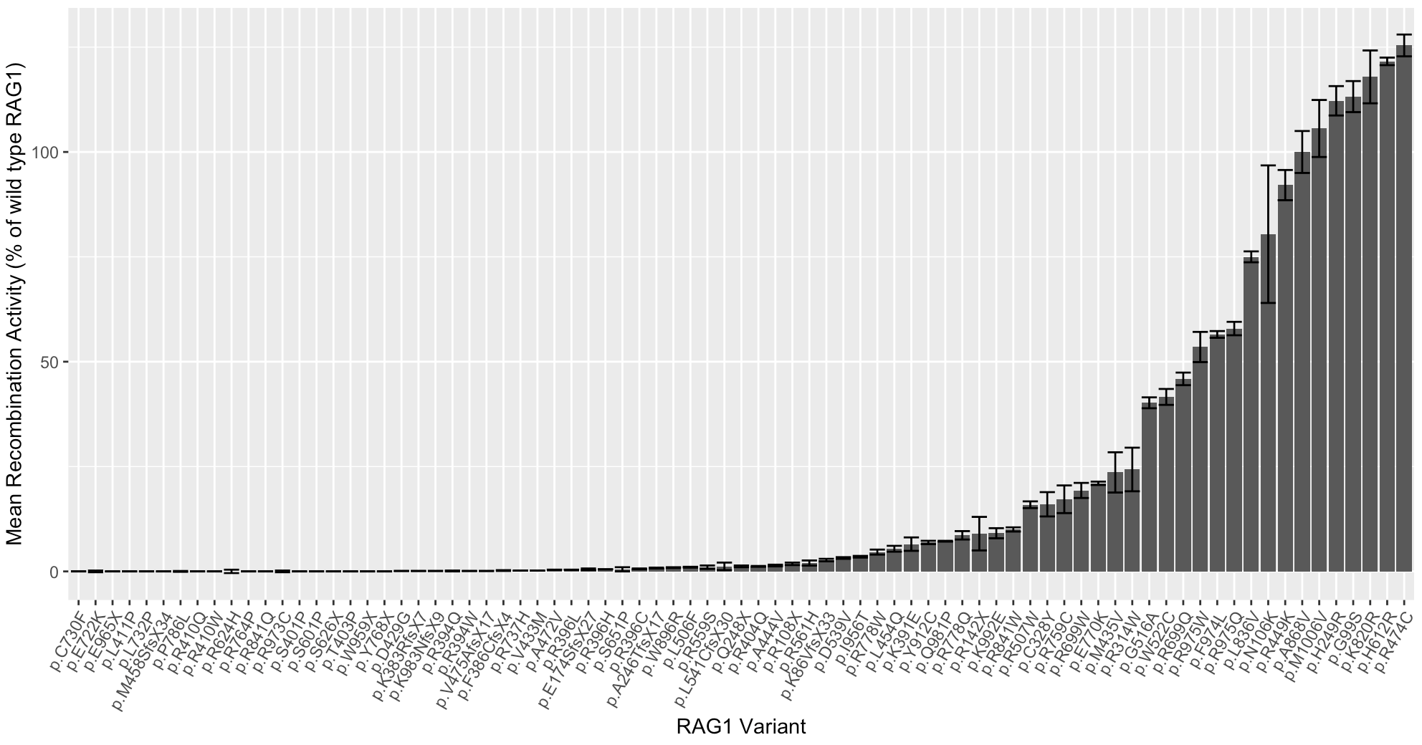
PMID | 11313270 | 24290284
Gene | RAG1 | RAG1
DOI / link | 10.1182/blood.v97.9.2772 | 10.1016/j.jaci.2013.10.007
Author | Corneo...de Villartay | Lee...Notarangelo
Year | 2001 | 2014
General Class of Assay | V(D)J recombination assay | V(D)J recombination assay

Assay (General Description) | SV40-transformed fibroblasts were electroporated with wild type or variant RAG1 cDNA constructs and extrachromosomal V(D)J recombination substrates. The extrachromosomal substrates were recovered, transformed in E. coli, and plated on X-Gal plates to determine recombination frequency via blue/white screening | Murine Rag1-/- Abl pro-B cells were transduced with a retroviral vector containing wild type, mock, or variant human RAG1 cDNA, blocked in the G0/G1 cell cycle phases for 96 hours, and harvested for analysis by flow cytometry
Material used (patient cells, engineered variants, cell lines, animal model, etc. | SV40-transformed fibroblasts electroporated with wild type or variant RAG1 cDNA constructs and extrachromosomal V(D)J recombination substrates | Murine Rag1-/- Abl pro-B cells with a stable single integration of the pMX-INV GFP cassette flanked by two coding recombination signal sequences
Readout type (qualitative/quantitative) | Quantitative | Quantitative
Readout description | Number of blue colonies as a read out for recombination frequency | GFP expression as a readout of recombination activity (reported as a percentage of the recombination activity of wild type RAG1)

Biological replicates (met/not met) | Not reported | None (not met)
Technical replicates (met/not met); description | Not reported | 2022-03-05
Basic positive control (met/not met); description | Cells expressing wild type RAG1 | Wild type RAG1 cDNA-transduced cells
Basic negative control (met/not met); description | Not reported | Empty vector-transduced cells
Validation controls P/LP (#) | 0 | 0 (none reported by authors as known pathogenic variants)
Validation controls B/LB (#) | 0 | 3 (described as "known polymorphisms": G99S, H249R, and K820R)
Statistical analysis (general description) | Not reported | Mann-Whitney U test
Threshold for normal readout | Recombination frequency similar to wild type RAG1 (numeric threshold not reported) | Wild type-like recombination activity (numeric threshold not reported)
Threshold for abnormal readout | Reduced recombination frequency (numeric threshold not reported) | Reduced recombination activity (numeric threshold not reported)

Approved assay (y/n) | y | y
Proposed strength | PS3_Supporting | PS3_Moderate
Variant(s) Tested | c.256_257del (p.Lys86fs), c.999T>A (p.Tyr333Ter), c.1210C>T (p.Arg404Trp), c.1421G>A (p.Arg474His), c.1871G>A (p.Arg624His), p.Thr173fsTer27 (nucleotide change not reported), c.2158G>T (p.Gly720Cys), c.2194C>T (p.Leu732Phe), p.Ser875fs (nucleotide change not reported), c.2918G>A (p.Arg973His), c.2974A>G (p.Lys992Glu) | 79 variants (see Table E1 in publication and R plot of data below)
Notes |  | Curated a set of 11 known pathogenic and known benign validation controls in order to use evidence from this assay instance at PS3_Moderate. All known pathogenic and known benign controls were correctly classified as abnormal and normal, respectively, by this instance of the V(D)J recombination assay. See supplemental table for classifications of these validation controls.

