ATM kinase activity
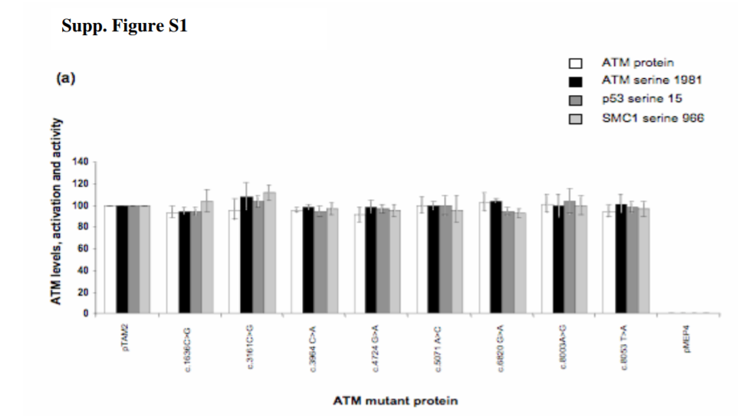
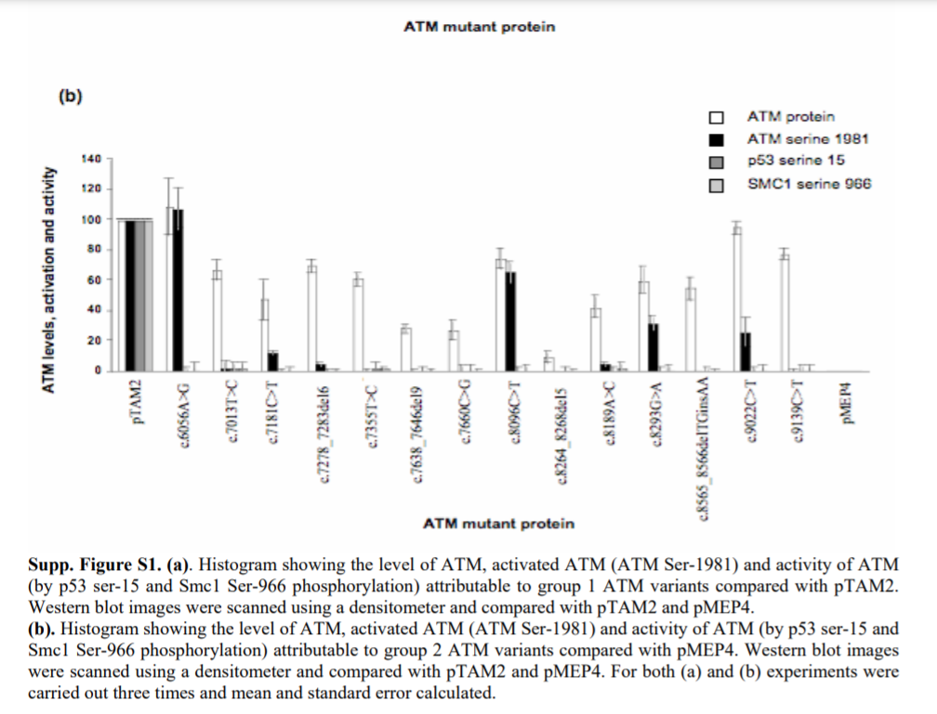
PMID | 18634022 | 19431188 | 11805335
DOI / link | 10.1002/humu.20805 | DOI: 10.1002/humu.21034 | 10.1073/pnas.012329699
Author | Mitui | Barone | Scott
Year | 2009 | 2009 | 2002

Assay (general description) | Stable transfection of ATM-based cDNA constructs in an ATM null cell line; ATM kinase activity assayed by Wetern Blotting of ATM substrates. | Stable transfection of ATM-based cDNA constructs in an ATM null cell line; ATM kinase activity assayed by Wetern Blotting of ATM substrates. | Stable transfection of ATM-based cDNA constructs in an ATM null cell line; ATM kinase activity assayed ATM kinase activity assayed by Wetern Blotting of ATM substrates.
Material used (patient cells, engineered variants, cell lines, animal model, etc. | ATM null patient LCL cells (AT7LA1-homozygous for a truncating mutation- c.1563_1564delAG); variants introduced by site-directed mutagenesis. | ATM null patient LCLs (patient 118-3 with two truncating mutations, c.796_797insGATT and c.2921+1G>A) ; variants introduced by site-directed mutagenesis. | ATM null patient LCLs (AT1ABR); variants introduced by site-directed mutagenesis.
Readout type (qualitative/quantitative) | qualitative- bands on a gel | quantitative- Western blot images scanned using a densitomter | qualitative-band on a gel
Readout description | phosphorylation status of ATM-S1981 and SMC1 (at S957 or S966) tested by Western Blot 1 hr after cells were irridiated with 2 or 10 gy. Cells were treated with CdCl2 to induce ATM expression from a metallothionein promoterII. | Phosphorylation status of SMC1 (Ser-966); NBS1 (Ser-343); CHK2 (Thr-68); p53 (Ser-15); ATM serine 1981 tested by Western Blot at multiple timepoints after cells were irridiated with 5 gray (0, 30 mins, 60 mins) or mock irridiated. Cells were treated with zinc chloride to induce ATM expression from a metallothionein promoter II. | Cells were treated with 6 Gy of ionizing radiation and kinase assays were performed 1 hr after radiation. Phosphorylation status of p53-Ser-15 was assayed directly on cell lysates ("in vivo") or by immunoprecipitation of flag-tagged ATM from cell extracts followed by phosphorylation of a p53 substrate (p531-40, "in vitro"). Cells were treated with CdCl2 6 h before irradiation to induce ATM expression from a metallothionein promoter II.

Biological replicates (met/not met) | uncertain/not described | not met | not met
Technical replicates (met/not met); description | uncertain/not described | Y; 3; not sure if biological or technical | uncertain/not described
Basic positive control (met/not met); description | met; WT cDNA (pMAT1) and ATM WT LCLs (NAT2) | met; WT cDNA (pTAM2) | met; WT cDNA (pMAT3)
Basic negative control (met/not met); description | met; ATM null cells (AT7LA1) | met; empty cDNA (pMEP4) | met; un-induced cells
Validation controls P/LP (#) | 0; c.5908C>T (p.Q1970*) - unclear if tested in this assay/data not shown | 0 | 5 AT mutants "c.7636del9,p.SRI2564del3; c.8147T>C, p.V2716A; c.8546G>C p.R2849P; c.8599G>C p.G2867R; c.7987delGTT p.V2662del"
Validation controls B/LB (#) | 0; c.1744T>C(p.F582L) and c.2119T>C (p.S707P)- unclear if tested in this assay/data not shown | 0 | 0
Statistical analysis (general description) | uncertain/not described | uncertain/not specified | uncertain/not described
Threshold for normal readout | authors label a normal readout as "normal" in table 1. "normal" is based on the output of the WT construct (pMAT1) | WT level of kinase activity (group 1) (relative to WT pTAM2) | not provided, but curator can distinguish as present or absent
Threshold for abnormal readout | authors label an abnormal read out as ND (non-detectable); TD, (trace detected) in table 1. | no detectable kinase activity (group 2) or reduced level of kinase activity (group 3), (relative to WT pTAM2). Authors note that ATM Serine 1981 phosphorylation may not be a good indicator of overall ATM kinase activity. | not provided, but curator can distinguish as present or absent

Approved assay (y/n) | Y | Y | Y
Proposed strength | PS3_supporting/BS3_Supporting | PS3_Supporting; BS3_supporting | PS3_Supporting; BS3_supporting

